Nov 5
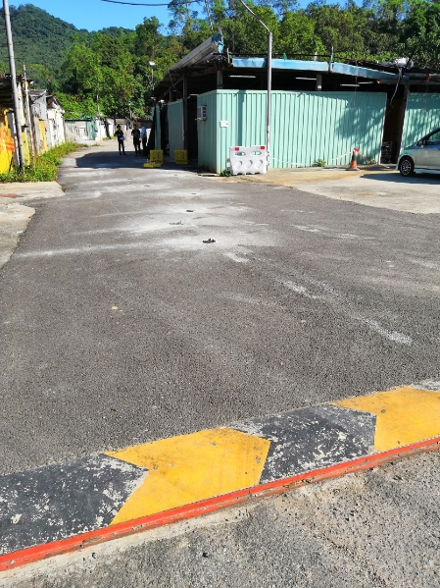
Test at Asphalt Surfaces (Int'l) Ltd. (old pavement) Gmm = 2390
 | # 10 2701B |  |  |  |  | # 11 2701B |  |  |  |  | # 12 2701B |  |  |  |  | Core Density
 | reading1 | reading2 | reading3 | reading4 | reading5 | reading1 | reading2 | reading3 | reading4 | reading5 | reading1 | reading2 | reading3 | reading4 | reading5
Location 1 | 2086 | 2066 | 2066 | 2071 | 2099 | 2011 | 2058 | 2019 | 2067 | 2060 | 2089 | 2075 | 2087 | 2037 | 2065 | 2187
Location 2 | 2069 | 2082 | 2070 | 2036 | 2069 | 2031 | 2010 | 2061 | 2045 | 2062 | 2081 | 2048 | 2053 | 2057 | 2038 | 2235
Location 3 | 2088 | 2086 | 2104 | 2083 | 2096 | 2092 | 2099 | 2108 | 2075 | 2087 | 2087 | 2101 | 2099 | 2078 | 2106 | 2241
Location 4 | 2073 | 2118 | 2073 | 2120 | 2078 | 2118 | 2104 | 2088 | 2091 | 2081 | 2102 | 2081 | 2112 | 2119 | 2112 | 2274
Location 5 | 2050 | 2018 | 2032 | 2047 | 2043 | 2057 | 2023 | 2046 | 2036 | 2058 | 2009 | 2032 | 2045 | 2051 | 2050 | 2227
Location 6 | 2068 | 2088 | 2054 | 2062 | 2089 | 2055 | 2072 | 2048 | 2087 | 2056 | 2072 | 2050 | 2056 | 2071 | 2078 | 2203
Location 7 | 2041 | 2037 | 2073 | 2082 | 2055 | 2071 | 2057 | 2067 | 2059 | 2061 | 2037 | 2056 | 2062 | 2041 | 2022 | 2293
Location 8 | 2103 | 2099 | 2080 | 2100 | 2126 | 2121 | 2099 | 2072 | 2087 | 2095 | 2069 | 2103 | 2119 | 2097 | 2109 | 2292
Location 9 | 2028 | 2036 | 2032 | 2022 | 2025 | 2006 | 2007 | 2012 | 2019 | 2021 | 2007 | 2024 | 1997 | 2020 | 2014 | 2232
Location 10 | 2101 | 2122 | 2114 | 2116 | 2101 | 2067 | 2088 | 2114 | 2097 | 2118 | 2088 | 2103 | 2094 | 2075 | 2089 | 2292

Note:
1. Troxler Huixing & Promat Simon/Mr. Jiang use 2701B Test
2. AsphaltSurfaces cut core and measure density in lab

Nov 23
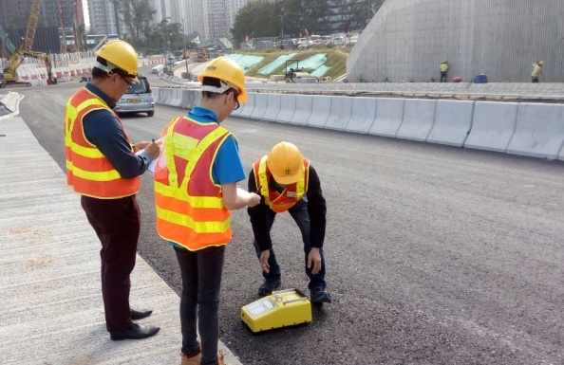
Test at Tuen Mun (under construction pavement) Gmm = 2450
 | # 10 2701B |  |  |  |  | # 11 2701B |  |  |  |  | # 12 2701B
 | reading1 | reading2 | reading3 | reading4 | reading5 | reading1 | reading2 | reading3 | reading4 | reading5 | reading1 | reading2 | reading3 | reading4 | reading5
Location 1 | 1887 | 1867 | 1897 | 1883 | 1895 | 1918 | 1876 | 1897 | 1878 | 1879 | 1872 | 1857 | 1856 | 1884 | 1865
Location 2 | 1940 | 1891 | 1926 | 1904 | 1938 | 1925 | 1886 | 1923 | 1952 | 1930 | 1928 | 1925 | 1909 | 1934 | 1922
Location 3 | 1894 | 1872 | 1905 | 1927 | 1910 | 1908 | 1873 | 1907 | 1955 | 1921 | 1905 | 1880 | 1898 | 1887 | 1897
Location 4 | 1883 | 1921 | 1903 | 1874 | 1921 | 1949 | 1887 | 1929 | 1919 | 1931 | 1924 | 1909 | 1925 | 1935 | 1916
Location 5 | 1948 | 1930 | 1935 | 1952 | 1963 | 1961 | 1938 | 1941 | 1986 | 1945 | 1936 | 1901 | 1923 | 1934 | 1930
Location 6 | 1958 | 1963 | 1919 | 1923 | 1899 | 1952 | 1972 | 1962 | 1957 | 1930 | 1956 | 1965 | 1925 | 1936 | 1941
Location 7 | 1944 | 1929 | 1966 | 1984 | 1962 | 1934 | 1957 | 1993 | 1988 | 1946 | 1958 | 1958 | 1944 | 1964 | 1915
Location 8 | 2009 | 2006 | 1934 | 1932 | 1952 | 2050 | 1983 | 1961 | 1901 | 1996 | 2028 | 1995 | 2011 | 1977 | 2009
Location 9 | 1929 | 1955 | 1910 | 1955 | 1956 | 1943 | 1968 | 1945 | 1966 | 1970 | 1931 | 1939 | 1955 | 1917 | 1946
Location 10 | 1854 | 1861 | 1917 | 1932 | 1904 | 1898 | 1876 | 1883 | 1934 | 1916 | 1866 | 1864 | 1908 | 1940 | 1862

Note:
1. Promat Simon/Willliam use 2701B Test;
2. AsphaltSurfaces cut core, but didn't share density value with Promat or Troxler

