Sheet1
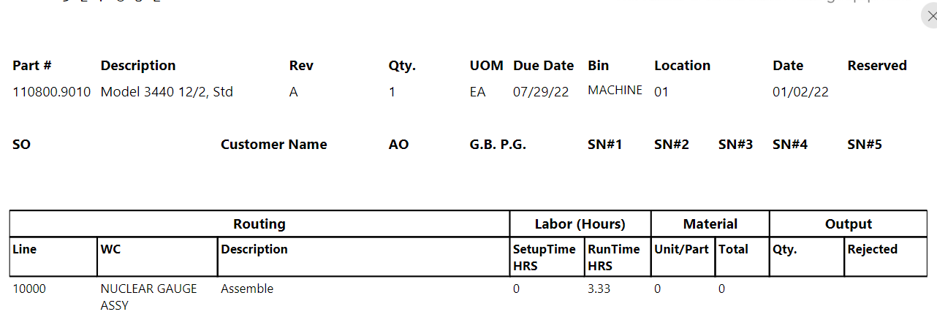
Bin | TPN | Description | Quantity | WC Type | Routing # | Routing Description | Total qty balance | Output Quantity | Planned Run time | Run time from PJ
FG | ###### |  |  | calibration |  | calibration | Sum of quantity
 |  |  |  | Gauge assembly |  | Burn-in | 0
 |  |  |  | probe |  | Station # X
 |  |  |  | saw |  | saw

